Explanation of metrics
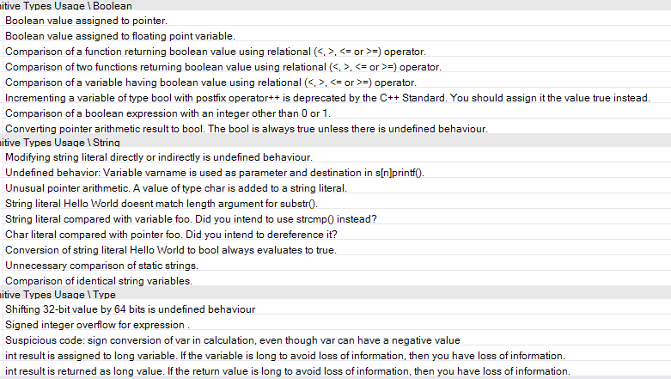
Note: when building the benchmarks for CppDepend using Visual Studio, I had many build errors. However, building using any of the other method generated even more build errors. These projects are meant to be built in a Linux environment. However, CppDepend is a Windows application, so I cannot run it through WSL. However, I am assuming that VS had the same kinds of build errors for all of the projects, which means that if we compare CppDepend metrics only to itself, this data is still valuable.

Metric definitions can be found here https://www.cppdepend.com/Metrics and https://www.cppdepend.com/cppdependrules.html

The tables "just metrics" and "just rules" are the metrics and rules the regression is run on. I removed columns that seemed irrelevant or too similar to other columns.

I have copy-pasted the more confusing metrics below

# MISRA Rules Violations
Any metric that starts with MISRA refers to the number of that specific type of MISRA rule violations found in this project. MISRA is a C++ standard https://www.perforce.com/resources/qac/what-misra-overview-misra-standard?utm_leadsource=cpc-googleadwords&utm_source=googleadwords&utm_medium=cpc&utm_campaign=QAC-CODINGSTANDARDS-NA&utm_adgroup=MISRA&gclid=CjwKCAjwzvX7BRAeEiwAsXExow1qvWqvckcGyMRkyJBClizxznNnEtz1iJNIMAoUDQ0gN5l3OQ-wCBoC7zMQAvD_BwE
Specific rules checked are shown in a picture below. Acronyms of each rule is shown below

MISRA # Unnecessary Constructs (MUC)
MISRA # Lexical convention (MLC)
MISRA # Basic concepts (MBC)
MISRA # standard conversions (MSC)
MISRA # expressions (ME)
MISRA # Statements (MS)
MISRA # Declarators (MD)
MISRA # Classes (MC)
MISRA # Preprocessor (MP)
MISRA # Library (ML)

Relational Cohesion (RC)
Average number of internal relationships per type. Let R be the number of type relationships that are internal to this project (i.e that do not connect to types outside the project). Let N be the number of types within the project. H = (R + 1)/ N. The extra 1 in the formula prevents H=0 when N=1. The relational cohesion represents the relationship that this project has to all its types.
As classes inside an project should be strongly related, the cohesion should be high. On the other hand, too high values may indicate over-coupling. A good range for RelationalCohesion is 1.5 to 4.0. Projects where RelationalCohesion < 1.5 or RelationalCohesion > 4.0 might be problematic
Instability (I)
The ratio of efferent coupling (Ce) to total coupling. I = Ce / (Ce + Ca). This metric is an indicator of the package's resilience to change. The range for this metric is 0 to 1, with I=0 indicating a completely stable package and I=1 indicating a completely instable package.
Abstractness (A)
The ratio of the number of internal abstract types to the number of types. The range for this metric is 0 to 1, with A=0 indicating a completely concrete project and A=1 indicating a completely abstract project.
Distance to main sequence
The perpendicular normalized distance of an project from the idealized line A + I = 1 (called main sequence). This metric is an indicator of the project's balance between abstractness and stability. An project squarely on the main sequence is optimally balanced with respect to its abstractness and stability. Ideal projects are either completely abstract and stable (I=0, A=1) or completely concrete and instable (I=1, A=0). The range for this metric is 0 to 1, with D=0 indicating an project that is coincident with the main sequence and D=1 indicating an project that is as far from the main sequence as possible. The picture in the report reveals if an project is in the zone of pain (I and A both close to 0) or in the zone of uselessness (I and A both close to 1).
Afferent Coupling (projAC)
The number of types outside this project that depend on types within this project. High afferent coupling indicates that the concerned projects have many responsibilities.
Efferent Coupling (projEC)
The number of types inside this project that depends on types outside this project. High efferent coupling indicates that the concerned project is dependant.
Types too big (TypesBig)
# violations for CppDepend critical rule. Avoid types too big.
types too many methods (TypesMethods)
# violations for CppDepend rule. Avoid types with too many methods.
types too many fields (TypesFields)
# violations for CppDepend rule. Avoid types with too many fields.
Methods Too Big/complex (MethodsBigComplex)
# violations for CppDepend critical rule. Avoid methods too big, too complex.
Method too many parameters (ManyParams)
# violations for CppDepend critical rule. Avoid methods with too many parameters.
method too many local vars (ManyLocals)
# violations for CppDepend rule. Avoid methods with too many local vars.
methods too many overloads (ManyOverloads)
CppDepend rule. Avoid methods with too many overloads.
methods poorly commented (PoorComments)
CppDepend rule. Avoid methods potentially poorly commented.
types poor cohesion (PoorCohesions)
CppDepend rule. Avoid types with poor cohesion.
Boolean rules (BoolRules)
Primitive types usage rule. Number of violations to any of the Boolean rules.
String rules
Primitive types usage rule. Number of violations to any of the string rules.
Type Rules
Primite types usage rule. Number of violations to any of the type rules.
IO Rules
# violations for any of the IO rules.

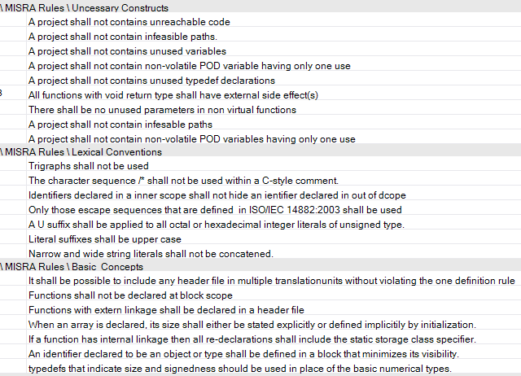

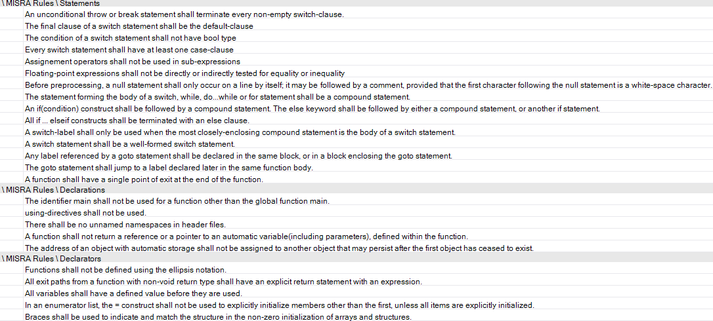

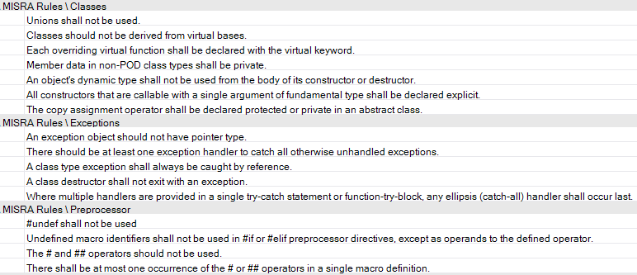

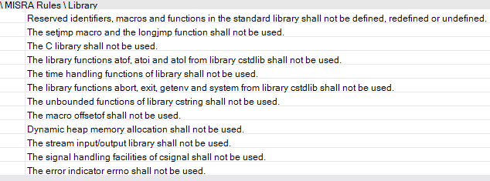

 | types rules | IO rules

RStudio Results metrics
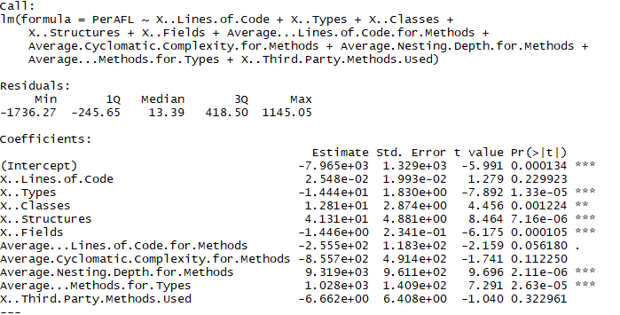
AFL
Coefficients | Estimate | Std. Error | t value | Pr(>|t|) | Sig code
(Intercept) | -7,965.00 | 1,329.00 | -5.99 | 0.00 | ***
X..Lines.of.Code | 0.03 | 0.02 | 1.28 | 0.23
X..Types | -14.44 | 1.83 | -7.89 | 0.00 | ***
X..Classes | 12.81 | 2.87 | 4.46 | 0.00 | **
X..Structures | 41.31 | 4.88 | 8.46 | 0.00 | ***
X..Fields | -1.45 | 0.23 | -6.18 | 0.00 | ***
Average...Lines.of.Code.for.Methods | -255.50 | 118.30 | -2.16 | 0.06 | .
Average.Cyclomatic.Complexity.for.Methods | -855.70 | 491.40 | -1.74 | 0.11
Average.Nesting.Depth.for.Methods | 9,319.00 | 961.10 | 9.70 | 0.00 | ***
Average...Methods.for.Types | 1,028.00 | 140.90 | 7.29 | 0.00 | ***
X..Third.Party.Methods.Used | -6.66 | 6.41 | -1.04 | 0.32

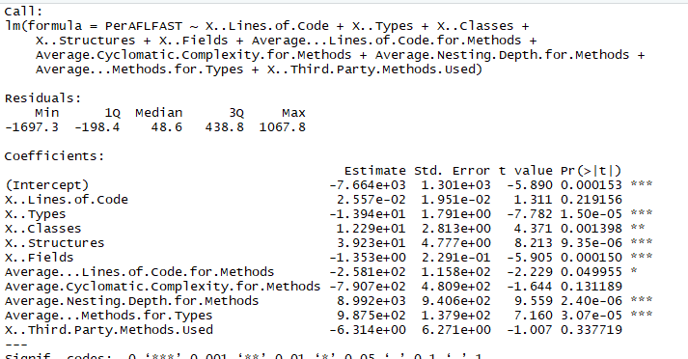
AFLFAST
Coefficients | Estimate | Std. Error | t value | Pr(>|t|) | Sig code
(Intercept) | -7,664.00 | 1,301.00 | -5.89 | 0.00 | ***
X..Lines.of.Code | 0.03 | 0.02 | 1.31 | 0.22
X..Types | -13.94 | 1.79 | -7.78 | 0.00 | ***
X..Classes | 12.29 | 2.81 | 4.37 | 0.00 | **
X..Structures | 39.23 | 4.78 | 8.21 | 0.00 | ***
X..Fields | -1.35 | 0.23 | -5.91 | 0.00 | ***
Average...Lines.of.Code.for.Methods | -258.10 | 115.80 | -2.23 | 0.05 | *
Average.Cyclomatic.Complexity.for.Methods | -790.70 | 480.90 | -1.64 | 0.13
Average.Nesting.Depth.for.Methods | 8,992.00 | 940.60 | 9.56 | 0.00 | ***
Average...Methods.for.Types | 987.50 | 137.90 | 7.16 | 0.00 | ***
X..Third.Party.Methods.Used | -6.31 | 6.27 | -1.01 | 0.34

AFL++

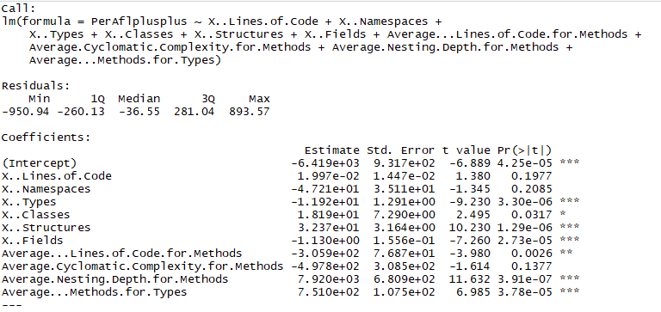
Coefficients | Estimate | Std. Error | t value | Pr(>|t|) | Sig code
(Intercept) | -6,419.00 | 931.70 | -6.89 | 0.00 | ***
X..Lines.of.Code | 0.02 | 0.01 | 1.38 | 0.20
X..Namespaces | -47.21 | 35.11 | -1.35 | 0.21
X..Types | -11.92 | 1.29 | -9.23 | 0.00 | ***
X..Classes | 18.19 | 7.29 | 2.50 | 0.03 | *
X..Structures | 32.37 | 3.16 | 10.23 | 0.00 | ***
X..Fields | -1.13 | 0.16 | -7.26 | 0.00 | ***
Average...Lines.of.Code.for.Methods | -305.90 | 76.87 | -3.98 | 0.00 | **
Average.Cyclomatic.Complexity.for.Methods | -497.80 | 308.50 | -1.61 | 0.14
Average.Nesting.Depth.for.Methods | 7,920.00 | 680.90 | 11.63 | 0.00 | ***
Average...Methods.for.Types | 751.00 | 107.50 | 6.99 | 0.00 | ***

AFL++Mopt
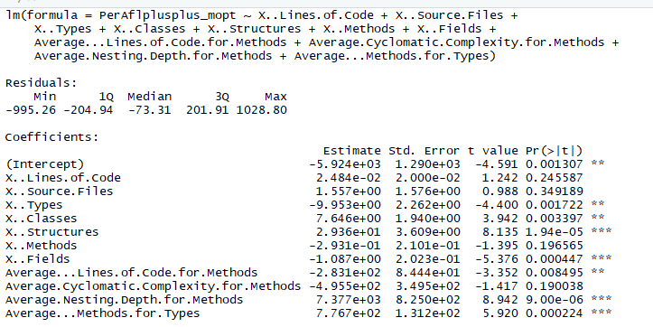
Coefficients | Estimate | Std. Error | t value | Pr(>|t|) | Sig code
(Intercept) | -5,924.00 | 1,290.00 | -4.59 | 0.00 | **
X..Lines.of.Code | 0.02 | 0.02 | 1.24 | 0.25
X..Source.Files | 1.56 | 1.58 | 0.99 | 0.35
X..Types | -9.95 | 2.26 | -4.40 | 0.00 | **
X..Classes | 7.65 | 1.94 | 3.94 | 0.00 | **
X..Structures | 29.36 | 3.61 | 8.14 | 0.00 | ***
X..Methods | -0.29 | 0.21 | -1.40 | 0.20
X..Fields | -1.09 | 0.20 | -5.38 | 0.00 | ***
Average...Lines.of.Code.for.Methods | -283.10 | 84.44 | -3.35 | 0.01 | **
Average.Cyclomatic.Complexity.for.Methods | -495.50 | 349.50 | -1.42 | 0.19
Average.Nesting.Depth.for.Methods | 7,377.00 | 825.00 | 8.94 | 0.00 | ***
Average...Methods.for.Types | 776.70 | 131.20 | 5.92 | 0.00 | ***

AFL++NoAlloc

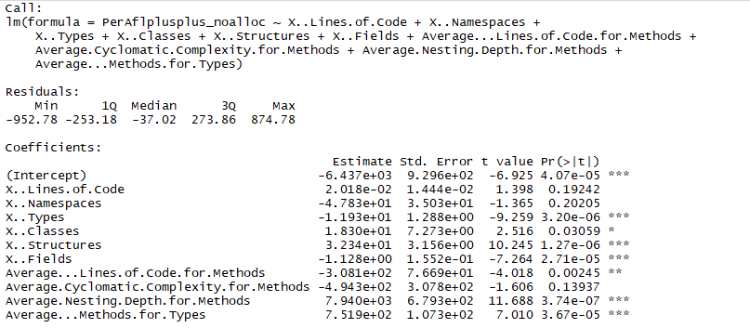
Coefficients | Estimate | Std. Error | t value | Pr(>|t|) | Sig code
(Intercept) | -6,437.00 | 929.60 | -6.93 | 0.00 | ***
X..Lines.of.Code | 0.02 | 0.01 | 1.40 | 0.19
X..Namespaces | -47.83 | 35.03 | -1.37 | 0.20
X..Types | -11.93 | 1.29 | -9.26 | 0.00 | ***
X..Classes | 18.30 | 7.27 | 2.52 | 0.03 | *
X..Structures | 32.34 | 3.16 | 10.25 | 0.00 | ***
X..Fields | -1.13 | 0.16 | -7.26 | 0.00 | ***
Average...Lines.of.Code.for.Methods | -308.10 | 76.69 | -4.02 | 0.00 | **
Average.Cyclomatic.Complexity.for.Methods | -494.30 | 307.80 | -1.61 | 0.14
Average.Nesting.Depth.for.Methods | 7,940.00 | 679.30 | 11.69 | 0.00 | ***
Average...Methods.for.Types | 751.90 | 107.30 | 7.01 | 0.00 | ***

AFLsmart

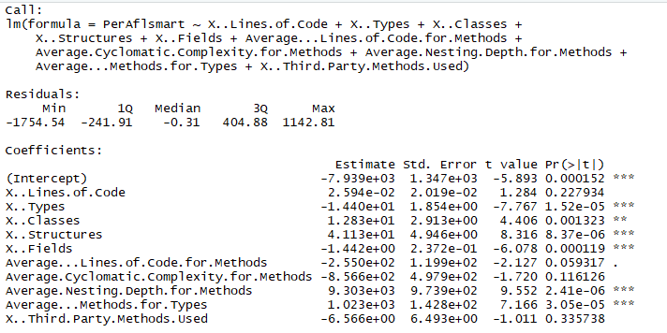
Coefficients | Estimate | Std. Error | t value | Pr(>|t|) | Sig code
(Intercept) | -7,939.00 | 1,347.00 | -5.89 | 0.00 | ***
X..Lines.of.Code | 0.03 | 0.02 | 1.28 | 0.23
X..Types | -14.40 | 1.85 | -7.77 | 0.00 | ***
X..Classes | 12.83 | 2.91 | 4.41 | 0.00 | **
X..Structures | 41.13 | 4.95 | 8.32 | 0.00 | ***
X..Fields | -1.44 | 0.24 | -6.08 | 0.00 | ***
Average...Lines.of.Code.for.Methods | -255.00 | 119.90 | -2.13 | 0.06 | .
Average.Cyclomatic.Complexity.for.Methods | -856.60 | 497.90 | -1.72 | 0.12
Average.Nesting.Depth.for.Methods | 9,303.00 | 973.90 | 9.55 | 0.00 | ***
Average...Methods.for.Types | 1,023.00 | 142.80 | 7.17 | 0.00 | ***
X..Third.Party.Methods.Used | -6.57 | 6.49 | -1.01 | 0.34

Eclipser

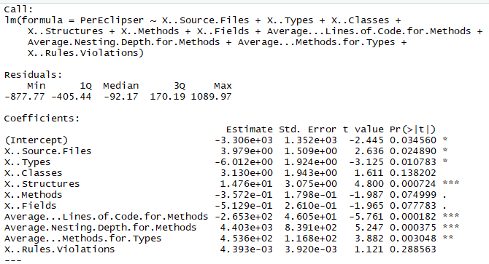
Coefficients | Estimate | Std. Error | t value | Pr(>|t|) | Sig code
(Intercept) | -3,306.00 | 1,352.00 | -2.45 | 0.03 | *
X..Source.Files | 3.98 | 1.51 | 2.64 | 0.02 | *
X..Types | -6.01 | 1.92 | -3.13 | 0.01 | *
X..Classes | 3.13 | 1.94 | 1.61 | 0.14
X..Structures | 14.76 | 3.08 | 4.80 | 0.00 | ***
X..Methods | -0.36 | 0.18 | -1.99 | 0.07 | .
X..Fields | -0.51 | 0.26 | -1.97 | 0.08 | .
Average...Lines.of.Code.for.Methods | -265.30 | 46.05 | -5.76 | 0.00 | ***
Average.Nesting.Depth.for.Methods | 4,403.00 | 839.10 | 5.25 | 0.00 | ***
Average...Methods.for.Types | 453.60 | 116.80 | 3.88 | 0.00 | **
X..Rules.Violations | 0.00 | 0.00 | 1.12 | 0.29

Entropic

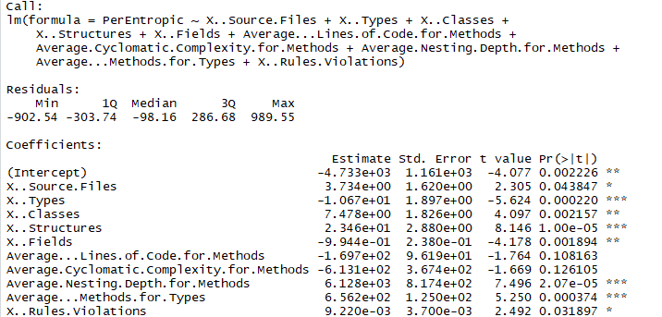
Coefficients | Estimate | Std. Error | t value | Pr(>|t|) | Sig code
(Intercept) | -4,733.00 | 1,161.00 | -4.08 | 0.00 | **
X..Source.Files | 3.73 | 1.62 | 2.31 | 0.04 | *
X..Types | -10.67 | 1.90 | -5.62 | 0.00 | ***
X..Classes | 7.48 | 1.83 | 4.10 | 0.00 | **
X..Structures | 23.46 | 2.88 | 8.15 | 0.00 | ***
X..Fields | -0.99 | 0.24 | -4.18 | 0.00 | **
Average...Lines.of.Code.for.Methods | -169.70 | 96.19 | -1.76 | 0.11
Average.Cyclomatic.Complexity.for.Methods | -613.10 | 367.40 | -1.67 | 0.13
Average.Nesting.Depth.for.Methods | 6,128.00 | 817.40 | 7.50 | 0.00 | ***
Average...Methods.for.Types | 656.20 | 125.00 | 5.25 | 0.00 | ***
X..Rules.Violations | 0.01 | 0.00 | 2.49 | 0.03 | *

Fairfuzz

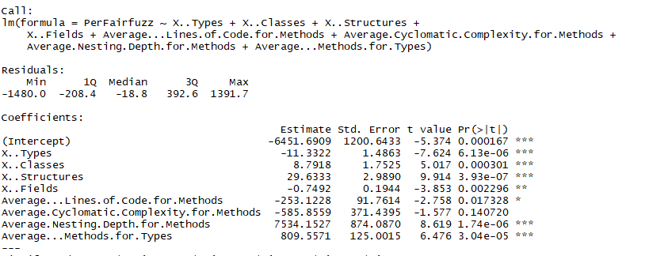
Coefficients | Estimate | Std. Error | t value | Pr(>|t|) | Sig code
(Intercept) | -6,451.69 | 1,200.64 | -5.37 | 0.00 | ***
X..Types | -11.33 | 1.49 | -7.62 | 0.00 | ***
X..Classes | 8.79 | 1.75 | 5.02 | 0.00 | ***
X..Structures | 29.63 | 2.99 | 9.91 | 0.00 | ***
X..Fields | -0.75 | 0.19 | -3.85 | 0.00 | **
Average...Lines.of.Code.for.Methods | -253.12 | 91.76 | -2.76 | 0.02 | *
Average.Cyclomatic.Complexity.for.Methods | -585.86 | 371.44 | -1.58 | 0.14
Average.Nesting.Depth.for.Methods | 7,534.15 | 874.09 | 8.62 | 0.00 | ***
Average...Methods.for.Types | 809.56 | 125.00 | 6.48 | 0.00 | ***

Fastcgs

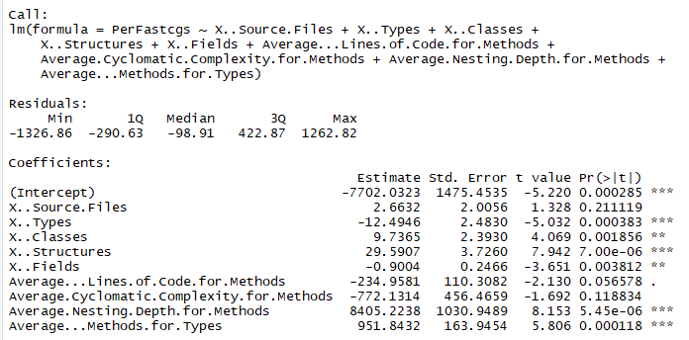
Coefficients | Estimate | Std. Error | t value | Pr(>|t|) | Sig code
(Intercept) | -7,702.03 | 1,475.45 | -5.22 | 0.00 | ***
X..Source.Files | 2.66 | 2.01 | 1.33 | 0.21
X..Types | -12.49 | 2.48 | -5.03 | 0.00 | ***
X..Classes | 9.74 | 2.39 | 4.07 | 0.00 | **
X..Structures | 29.59 | 3.73 | 7.94 | 0.00 | ***
X..Fields | -0.90 | 0.25 | -3.65 | 0.00 | **
Average...Lines.of.Code.for.Methods | -234.96 | 110.31 | -2.13 | 0.06 | .
Average.Cyclomatic.Complexity.for.Methods | -772.13 | 456.47 | -1.69 | 0.12
Average.Nesting.Depth.for.Methods | 8,405.22 | 1,030.95 | 8.15 | 0.00 | ***
Average...Methods.for.Types | 951.84 | 163.95 | 5.81 | 0.00 | ***

Honggfuzz

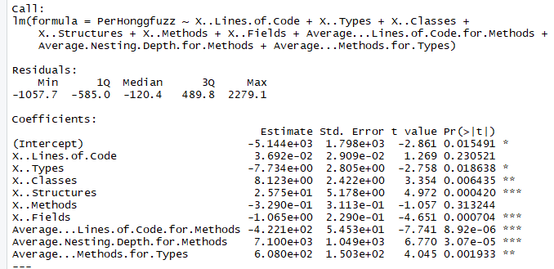
Coefficients | Estimate | Std. Error | t value | Pr(>|t|) | Sig code
(Intercept) | -5,144.00 | 1,798.00 | -2.86 | 0.02 | *
X..Lines.of.Code | 0.04 | 0.03 | 1.27 | 0.23
X..Types | -7.73 | 2.81 | -2.76 | 0.02 | *
X..Classes | 8.12 | 2.42 | 3.35 | 0.01 | **
X..Structures | 25.75 | 5.18 | 4.97 | 0.00 | ***
X..Methods | -0.33 | 0.31 | -1.06 | 0.31
X..Fields | -1.07 | 0.23 | -4.65 | 0.00 | ***
Average...Lines.of.Code.for.Methods | -422.10 | 54.53 | -7.74 | 0.00 | ***
Average.Nesting.Depth.for.Methods | 7,100.00 | 1,049.00 | 6.77 | 0.00 | ***
Average...Methods.for.Types | 608.00 | 150.30 | 4.05 | 0.00 | **

Lafintel

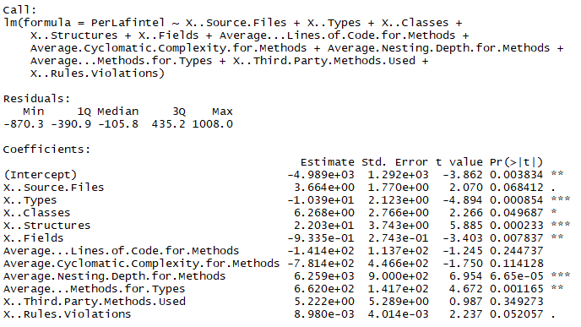
Coefficients | Estimate | Std. Error | t value | Pr(>|t|) | Sig code
(Intercept) | -4,989.00 | 1,292.00 | -3.86 | 0.00 | **
X..Source.Files | 3.66 | 1.77 | 2.07 | 0.07 | .
X..Types | -10.39 | 2.12 | -4.89 | 0.00 | ***
X..Classes | 6.27 | 2.77 | 2.27 | 0.05 | *
X..Structures | 22.03 | 3.74 | 5.89 | 0.00 | ***
X..Fields | -0.93 | 0.27 | -3.40 | 0.01 | **
Average...Lines.of.Code.for.Methods | -141.40 | 113.70 | -1.25 | 0.24
Average.Cyclomatic.Complexity.for.Methods | -781.40 | 446.60 | -1.75 | 0.11
Average.Nesting.Depth.for.Methods | 6,259.00 | 900.00 | 6.95 | 0.00 | ***
Average...Methods.for.Types | 662.00 | 141.70 | 4.67 | 0.00 | **
X..Third.Party.Methods.Used | 5.22 | 5.29 | 0.99 | 0.35
X..Rules.Violations | 0.01 | 0.00 | 2.24 | 0.05 | .

Libfuzzer

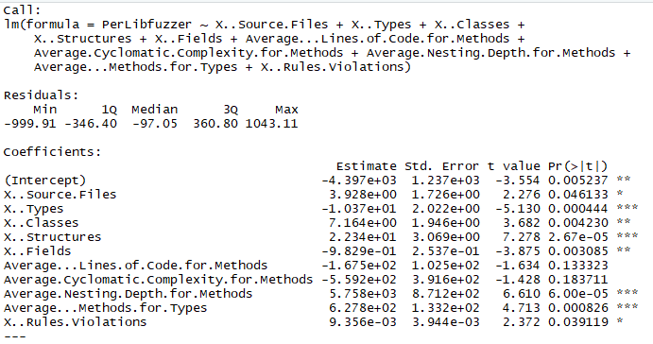
Coefficients | Estimate | Std. Error | t value | Pr(>|t|) | Sig code
(Intercept) | -4,397.00 | 1,237.00 | -3.55 | 0.01 | **
X..Source.Files | 3.93 | 1.73 | 2.28 | 0.05 | *
X..Types | -10.37 | 2.02 | -5.13 | 0.00 | ***
X..Classes | 7.16 | 1.95 | 3.68 | 0.00 | **
X..Structures | 22.34 | 3.07 | 7.28 | 0.00 | ***
X..Fields | -0.98 | 0.25 | -3.88 | 0.00 | **
Average...Lines.of.Code.for.Methods | -167.50 | 102.50 | -1.63 | 0.13
Average.Cyclomatic.Complexity.for.Methods | -559.20 | 391.60 | -1.43 | 0.18
Average.Nesting.Depth.for.Methods | 5,758.00 | 871.20 | 6.61 | 0.00 | ***
Average...Methods.for.Types | 627.80 | 133.20 | 4.71 | 0.00 | ***
X..Rules.Violations | 0.01 | 0.00 | 2.37 | 0.04 | *

Mopt

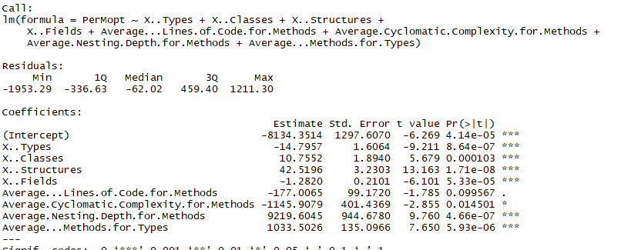
Coefficients | Estimate | Std. Error | t value | Pr(>|t|) | Sig code
(Intercept) | -8,134.35 | 1,297.61 | -6.27 | 0.00 | ***
X..Types | -14.80 | 1.61 | -9.21 | 0.00 | ***
X..Classes | 10.76 | 1.89 | 5.68 | 0.00 | ***
X..Structures | 42.52 | 3.23 | 13.16 | 0.00 | ***
X..Fields | -1.28 | 0.21 | -6.10 | 0.00 | ***
Average...Lines.of.Code.for.Methods | -177.01 | 99.17 | -1.79 | 0.10 | .
Average.Cyclomatic.Complexity.for.Methods | -1,145.91 | 401.44 | -2.86 | 0.01 | *
Average.Nesting.Depth.for.Methods | 9,219.60 | 944.68 | 9.76 | 0.00 | ***
Average...Methods.for.Types | 1,033.50 | 135.10 | 7.65 | 0.00 | ***

RStudio Results rules
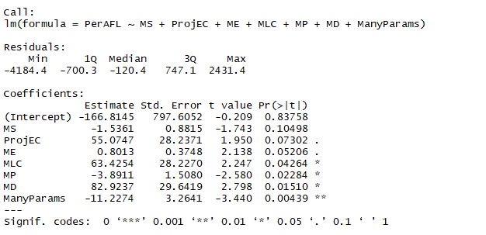
AFL
Coefficients | Estimate | Std. Error | t value | Pr(>|t|) | Sig code
(Intercept) | -166.8145 | 797.6052 | -0.209 | 0.83758
MS | -1.5361 | 0.8815 | -1.743 | 0.10498
ProjEC | 55.0747 | 28.2371 | 1.95 | 0.07302 | .
ME | 0.8013 | 0.3748 | 2.138 | 0.05206 | .
MLC | 63.4254 | 28.227 | 2.247 | 0.04264 | *
MP | -3.8911 | 1.508 | -2.58 | 0.02284 | *
MD | 82.9237 | 29.6419 | 2.798 | 0.0151 | *
ManyParams | -11.2274 | 3.2641 | -3.44 | 0.00439 | **

AFLFast

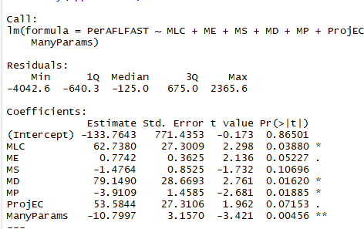
Estimate | Std. | Error | t | value | Pr(>|t|)
(Intercept) | -133.7643 | 771.4353 | -0.173 | 0.86501
MLC | 62.738 | 27.3009 | 2.298 | 0.0388 | *
ME | 0.7742 | 0.3625 | 2.136 | 0.05227 | .
MS | -1.4764 | 0.8525 | -1.732 | 0.10696
MD | 79.149 | 28.6693 | 2.761 | 0.0162 | *
MP | -3.9109 | 1.4585 | -2.681 | 0.01885 | *
ProjEC | 53.5844 | 27.3106 | 1.962 | 0.07153 | .
ManyParams | -10.7997 | 3.157 | -3.421 | 0.00456 | **

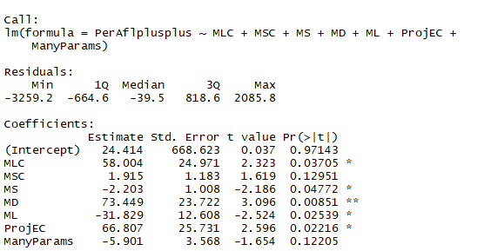
AFL++

Estimate | Std. | Error | t | value | Pr(>|t|)
(Intercept) | 24.414 | 668.623 | 0.037 | 0.97143
MLC | 58.004 | 24.971 | 2.323 | 0.03705 | *
MSC | 1.915 | 1.183 | 1.619 | 0.12951
MS | -2.203 | 1.008 | -2.186 | 0.04772 | *
MD | 73.449 | 23.722 | 3.096 | 0.00851 | **
ML | -31.829 | 12.608 | -2.524 | 0.02539 | *
ProjEC | 66.807 | 25.731 | 2.596 | 0.02216 | *
ManyParams | -5.901 | 3.568 | -1.654 | 0.12205

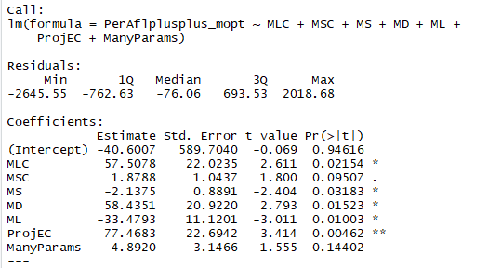
AFL++mopt

Estimate | Std. | Error | t | value | Pr(>|t|)
(Intercept) | -40.6007 | 589.704 | -0.069 | 0.94616
MLC | 57.5078 | 22.0235 | 2.611 | 0.02154 | *
MSC | 1.8788 | 1.0437 | 1.8 | 0.09507 | .
MS | -2.1375 | 0.8891 | -2.404 | 0.03183 | *
MD | 58.4351 | 20.922 | 2.793 | 0.01523 | *
ML | -33.4793 | 11.1201 | -3.011 | 0.01003 | *
ProjEC | 77.4683 | 22.6942 | 3.414 | 0.00462 | **
ManyParams | -4.892 | 3.1466 | -1.555 | 0.14402

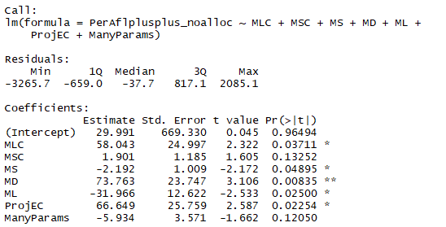
AFL++NoAlloc

Estimate | Std. | Error | t | value | Pr(>|t|)
(Intercept) | 29.991 | 669.33 | 0.045 | 0.96494
MLC | 58.043 | 24.997 | 2.322 | 0.03711 | *
MSC | 1.901 | 1.185 | 1.605 | 0.13252
MS | -2.192 | 1.009 | -2.172 | 0.04895 | *
MD | 73.763 | 23.747 | 3.106 | 0.00835 | **
ML | -31.966 | 12.622 | -2.533 | 0.025 | *
ProjEC | 66.649 | 25.759 | 2.587 | 0.02254 | *
ManyParams | -5.934 | 3.571 | -1.662 | 0.1205

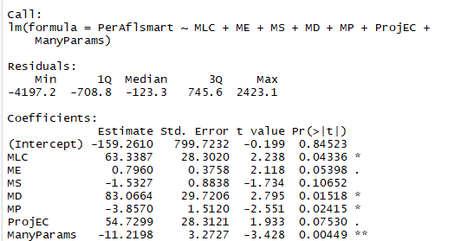
AFLsmart
Estimate | Std. | Error | t | value | Pr(>|t|)
(Intercept) | -159.261 | 799.7232 | -0.199 | 0.84523
MLC | 63.3387 | 28.302 | 2.238 | 0.04336 | *
ME | 0.796 | 0.3758 | 2.118 | 0.05398 | .
MS | -1.5327 | 0.8838 | -1.734 | 0.10652
MD | 83.0664 | 29.7206 | 2.795 | 0.01518 | *
MP | -3.857 | 1.512 | -2.551 | 0.02415 | *
ProjEC | 54.7299 | 28.3121 | 1.933 | 0.0753 | .
ManyParams | -11.2198 | 3.2727 | -3.428 | 0.00449 | **

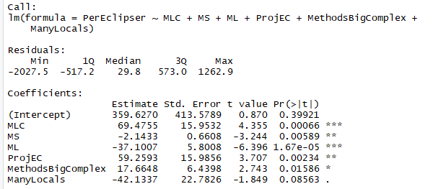
Eclipser
Estimate | Std. | Error | t | value | Pr(>|t|)
(Intercept) | 359.627 | 413.5789 | 0.87 | 0.39921
MLC | 69.4755 | 15.9532 | 4.355 | 0.00066 | ***
MS | -2.1433 | 0.6608 | -3.244 | 0.00589 | **
ML | -37.1007 | 5.8008 | -6.396 | 1.67E-05 | ***
ProjEC | 59.2593 | 15.9856 | 3.707 | 0.00234 | **
MethodsBigComplex | 17.6648 | 6.4398 | 2.743 | 0.01586 | *
ManyLocals | -42.1337 | 22.7826 | -1.849 | 0.08563 | .
---

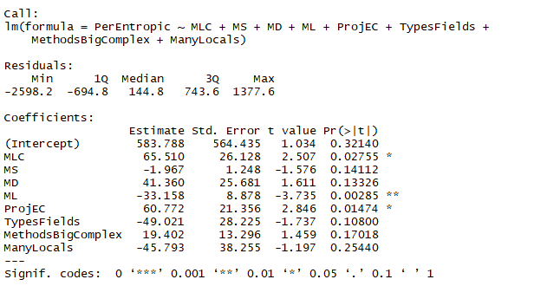
Entropic
Estimate | Std. | Error | t | value | Pr(>|t|)
(Intercept) | 583.788 | 564.435 | 1.034 | 0.3214
MLC | 65.51 | 26.128 | 2.507 | 0.02755 | *
MS | -1.967 | 1.248 | -1.576 | 0.14112
MD | 41.36 | 25.681 | 1.611 | 0.13326
ML | -33.158 | 8.878 | -3.735 | 0.00285 | **
ProjEC | 60.772 | 21.356 | 2.846 | 0.01474 | *
TypesFields | -49.021 | 28.225 | -1.737 | 0.108
MethodsBigComplex | 19.402 | 13.296 | 1.459 | 0.17018
ManyLocals | -45.793 | 38.255 | -1.197 | 0.2544

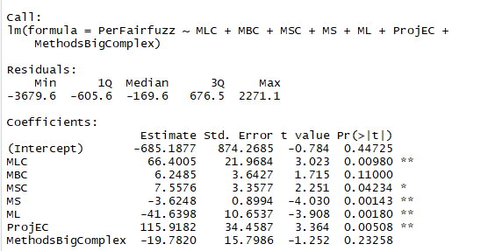
Fairfuzz
Estimate | Std. | Error | t | value | Pr(>|t|)
(Intercept) | -685.1877 | 874.2685 | -0.784 | 0.44725
MLC | 66.4005 | 21.9684 | 3.023 | 0.0098 | **
MBC | 6.2485 | 3.6427 | 1.715 | 0.11
MSC | 7.5576 | 3.3577 | 2.251 | 0.04234 | *
MS | -3.6248 | 0.8994 | -4.03 | 0.00143 | **
ML | -41.6398 | 10.6537 | -3.908 | 0.0018 | **
ProjEC | 115.9182 | 34.4587 | 3.364 | 0.00508 | **
MethodsBigComplex | -19.782 | 15.7986 | -1.252 | 0.23258

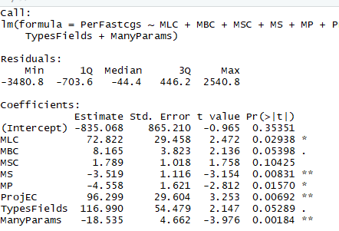
Fastcgs

Estimate | Std. | Error | t | value | Pr(>|t|)
(Intercept) | -835.068 | 865.21 | -0.965 | 0.35351
MLC | 72.822 | 29.458 | 2.472 | 0.02938 | *
MBC | 8.165 | 3.823 | 2.136 | 0.05398 | .
MSC | 1.789 | 1.018 | 1.758 | 0.10425
MS | -3.519 | 1.116 | -3.154 | 0.00831 | **
MP | -4.558 | 1.621 | -2.812 | 0.0157 | *
ProjEC | 96.299 | 29.604 | 3.253 | 0.00692 | **
TypesFields | 116.99 | 54.479 | 2.147 | 0.05289 | .
ManyParams | -18.535 | 4.662 | -3.976 | 0.00184 | **

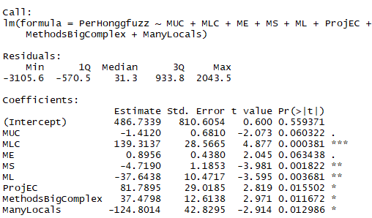
Honggfuzz

Estimate | Std. | Error | t | value | Pr(>|t|)
(Intercept) | 486.7339 | 810.6054 | 0.6 | 0.559371
MUC | -1.412 | 0.681 | -2.073 | 0.060322 | .
MLC | 139.3137 | 28.5665 | 4.877 | 0.000381 | ***
ME | 0.8956 | 0.438 | 2.045 | 0.063438 | .
MS | -4.719 | 1.1853 | -3.981 | 0.001822 | **
ML | -37.6438 | 10.4717 | -3.595 | 0.003681 | **
ProjEC | 81.7895 | 29.0185 | 2.819 | 0.015502 | *
MethodsBigComplex | 37.4798 | 12.6138 | 2.971 | 0.011672 | *
ManyLocals | -124.8014 | 42.8295 | -2.914 | 0.012986 | *

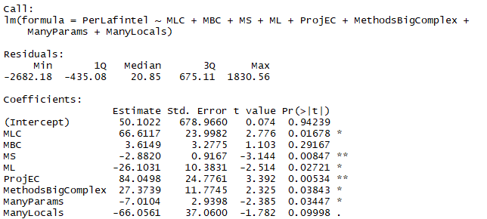
Lafintel

Estimate | Std. | Error | t | value | Pr(>|t|)
(Intercept) | 50.1022 | 678.966 | 0.074 | 0.94239
MLC | 66.6117 | 23.9982 | 2.776 | 0.01678 | *
MBC | 3.6149 | 3.2775 | 1.103 | 0.29167
MS | -2.882 | 0.9167 | -3.144 | 0.00847 | **
ML | -26.1031 | 10.3831 | -2.514 | 0.02721 | *
ProjEC | 84.0498 | 24.7761 | 3.392 | 0.00534 | **
MethodsBigComplex | 27.3739 | 11.7745 | 2.325 | 0.03843 | *
ManyParams | -7.0104 | 2.9398 | -2.385 | 0.03447 | *
ManyLocals | -66.0561 | 37.06 | -1.782 | 0.09998 | .

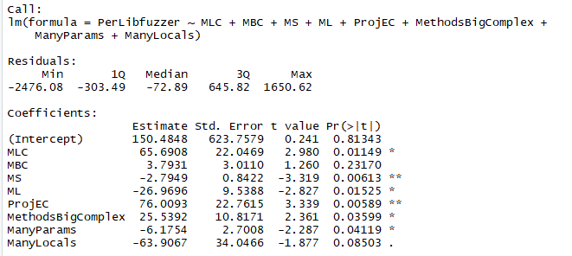
Libfuzzer

Estimate | Std. | Error | t | value | Pr(>|t|)
(Intercept) | 150.4848 | 623.7579 | 0.241 | 0.81343
MLC | 65.6908 | 22.0469 | 2.98 | 0.01149 | *
MBC | 3.7931 | 3.011 | 1.26 | 0.2317
MS | -2.7949 | 0.8422 | -3.319 | 0.00613 | **
ML | -26.9696 | 9.5388 | -2.827 | 0.01525 | *
ProjEC | 76.0093 | 22.7615 | 3.339 | 0.00589 | **
MethodsBigComplex | 25.5392 | 10.8171 | 2.361 | 0.03599 | *
ManyParams | -6.1754 | 2.7008 | -2.287 | 0.04119 | *
ManyLocals | -63.9067 | 34.0466 | -1.877 | 0.08503 | .

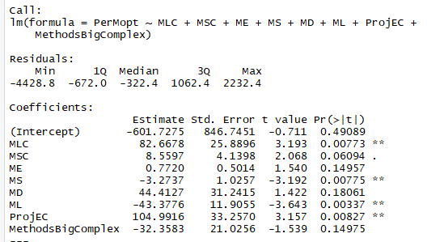
Mopt

Estimate | Std. | Error | t | value | Pr(>|t|)
(Intercept) | -601.7275 | 846.7451 | -0.711 | 0.49089
MLC | 82.6678 | 25.8896 | 3.193 | 0.00773 | **
MSC | 8.5597 | 4.1398 | 2.068 | 0.06094 | .
ME | 0.772 | 0.5014 | 1.54 | 0.14957
MS | -3.2737 | 1.0257 | -3.192 | 0.00775 | **
MD | 44.4127 | 31.2415 | 1.422 | 0.18061
ML | -43.3776 | 11.9055 | -3.643 | 0.00337 | **
ProjEC | 104.9916 | 33.257 | 3.157 | 0.00827 | **
MethodsBigComplex | -32.3583 | 21.0256 | -1.539 | 0.14975

